hist sales and forecast by Q
...
 |  |  |  |  |  |  |  | Q3 2016 | Q3 2017 | Q3 2018 | Q3 2019 | Q3 2020
44% | 28% | 74% | 97% | 70% | 74% | Automotive | Revenues | 145% | 16% | 141% | -8% | 39%
7,891 | 22,930 | 7,579 | 8,293 | 10,763 | 12,534 |  | COGS | 136% | 38% | 116% | -3% | 28%
41% | 20% | 70% | 88% | 75% | 59% | Energy | Revenues | 0 | 0% | 26% | 1% | 44%
2,101 | 6,612 | 2,316 | 2,864 | 3,164 | 4,874 |  | COGS | 0 | 0% | 39% | -5% | 78%
Energy Segment % Growth
57% | 70% | 89% | 130% | 55% | 132%
...
752 | 1,994 | 494 | 801 | 811 | 1,135
73% | 30% | 69% | 116% | 40% | 51%
787 | 1,976 | 595 | 781 | 809 | 1,078
Revenues % Growth
105% | 47% | 111% | 124% | 45% | 37%
(35) | 18 | (101) | 20 | 1 | 57
-169% | -91% | -1018% | -5% | -93% | 262%

COGS % Growth

Price History
...
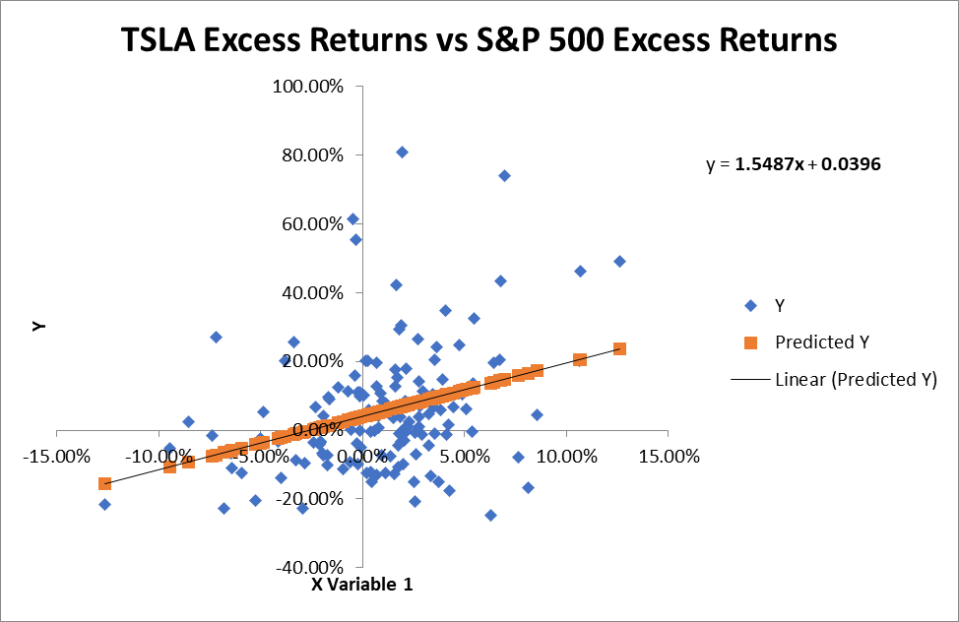
F | Significance F
16.74049067 | 7.3314610803E-05
...
P-value | Lower 95% | Upper 95% | Lower 95.0% | Upper 95.0%
0.0099123422903 | 0.0096670766915 | 0.069580054273 | 0.0096670766915 | 0.069580054273
7.3314610803E-05 | 0.80011527507 | 2.2972911536 | 0.80011527507 | 2.2972911536
...

profitability ratios
...
$$↑$$
Interpretation | High or low is better?
 |  | 2020 | 2019 | Comparison
21% of each sales dollar remains after firm has paid for its goods |  | 21.0% | 16.5% | better than last year

$$↑$$
6.3% of each sales dollar remains after firm has paid all expenses except interest, taxes, and preferred dividends |  | 6.3% | -0.3% | better than last year but review income statement to understand the dramatic change

$$↑$$
2.3% of each sales dollar remains after firm has paid all expenses |  | 2.3% | -3.5% | better than last year but review income statement to understand the dramatic change

$$↑$$
$0.75 in profits is earned on behalf of each outstanding share of common stock |  | $0.75 | $(4.77) | better than last year but review income statement and balance sheet to understand the dramatic change

$$↑$$
1.4 cent(s) are earned on each $1.00 of common stockholders' asset investment. It's a measure of how well assets are used to make profit. |  | 1.4% | -2.5% | better than last year but review income statement and balance sheet to understand the dramatic change

$$↑$$
3.2 cent(s) are earned on each $1.00 of common stock equity. It's a measure of what the firm has earned on past investments. |  | 3.2% | -13.1% | better than last year but review income statement and balance sheet to understand the dramatic change

DuPont analysis
 | DuPont Analysis |  |  | in millions

Income Statement |  | Sales
 |  | $31,536
 |  | .
 |  | Cost of Goods Sold |  | Earnings
 |  | $24,908 |  | Available
 |  | - |  | for Common
 |  | Operating Expenses |  | Stockholders | Net Profit Margin
 |  | $4,636 |  | $952 | 3.02%
$$÷$$
 |  | -
 |  | Interest expense |  | Sales
 |  | $748 |  | $31,536
 |  | -
 |  | Taxes |  |  |  | Return on
 |  | $292 |  |  | X | Total Assets (ROA)
 |  | - |  |  |  | 1.83%
 |  | Preferred Stock Dividends |  |  |  | Ind 2.1%
 |  | $- |  |  |  | Low

$$÷$$
Balance Sheet |  | Current Assets |  | Sales
 |  | $26,717 |  | $31,536 |  |  |  | Return on Common Equity (ROE)
 |  | + |  |  | Total Asset Turnover | X
 |  | Net Fixed Assets |  | Total Assets | 0.60 |  |  | 4.28%
 |  | $25,431 |  | $52,148
 |  |  |  |  |  |  |  | Transportation = 4.7%
 |  | Current Liabilities |  | Total Liabilities | Total Liabilities |  |  | Lower
 |  | $14,248 |  | $28,418 | and SE = Total Assets
 |  | + |  | + | $52,148 | Financial Leverage Multiplier
$$÷$$
 |  | Total Long-Term Liabilities |  | Stockholders' Equity |  | 2.35
 |  | $14,170 |  | $22,225 | Common Stock Equity | Ind 1.8
 |  |  |  |  | $22,225 | High is bad: | larger portion of assets
 |  |  |  |  |  |  | is financed with debt

 |  | Why it is lower?

 |  | FLM (equity multiplier) | how much debt is used to finance assets
 |  |  | Low is better

ValSum simple
...
Public Company Comparables:
LTM EV / Revenue: | 3.6 x | $31,536.0 | $94.22 | =(J18+SUM($E$17:$E$26))/Diluted_Shares
LTM EV / EBITDA: | 46.5 x | $4,316.0 | $172.62 | =(J19+SUM($E$17:$E$26))/Diluted_Shares
LTM P / E: | 193.5 x | $862.0 | $149.05 | =(J20)/Diluted_Shares

Implied Enterprise Value (EV/Revenue): |  | $112,988.4 |  |  | Implied Enterprise Value or Equity Value at Average
(+) Cash & Cash-Equivalents: |  | 16,229.0
I am using 2Q 2021 |  |  |  |  | Implied Enterprise Value based on EV / Revenue--> | $112,988
 |  |  |  |  | Implied Enterprise Value based on EV / EBITDA--> | 200,724
 |  |  |  |  | Implied Equity Value based on P / E --> | 166,789
(-) Market Value of Issued Debt: |  | (10,588.6)
Tesla might be worth $94.22 per share according to the revenue multiple or $172.62 per share according to the EBITDA multiple.
(-) PV of Operating Leases: |  | -
(-) Stock Options |  | (12,594.2)
(-) Preferred Stock
(-) Noncontrolling Interests |  | (605.0)
 |  | -
Implied Equity Value: |  | 105,430

Diluted Shares Outstanding: |  | 1,119

Implied Share Price: |  | $94.22
Premium / (Discount) to Current: |  | (91.0%)

Implied Enterprise Value (EV/EBITDA): |  | $200,723.6
(+) Cash & Cash-Equivalents: |  | 16,229.0
...

FF graph
Football Field Tesla 12-02-2021
 | Lower end | variance | Higher end
52-Wk h/l | $539.49 | $704.00 | $1,243.49
Comparable company analysis | $94.22 | $78.40 | $172.62
Dividend Discount Models | $0.00 | $0.00 | $0.00
RIM | $133.60 | $0.00 | $133.60
DCF | $169.49 | $410.39 | $579.88

 | Current price
 | $1,014.97

 | L end | VAR | H end | Weight
52-Wk h/l | $539.49 | $704.00 | $1,243.49 | 10%
CCA | $94.22 | $78.40 | $172.62 | 20%
DDM | $0.00 | $0.00 | $0.00 | 0%
RIM | $133.60 | $0.00 | $133.60 | 20%
...

